Three Graphs - Drawings
Craig L. Champlin,
Using odometry drift to match ILI joint boundaries for run comparisons,
International Journal of Pressure Vessels and Piping,
Volume 213,
2025,
105351,
ISSN 0308-0161,
https://doi.org/10.1016/j.ijpvp.2024.105351.
(https://www.sciencedirect.com/science/article/pii/S0308016124002291)
 | Residual (Δℓ)
B | 0
1 B | 0
2 B | 0
3 B | 0
4 B | 0
5 B | 0
6 B | 0
7 B | 0
8 B | 0
9 B | 0

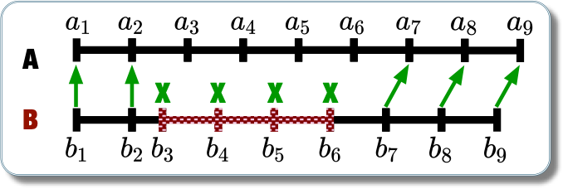
 | Residual (Δℓ) | Series2 | Series3
B |  | 3.8 | -3.8
1 B | -3 | 3.8 | -3.8
2 B | -3 | 3.8 | -3.8
3 B | 9 | 3.8 | -3.8
4 B | -3 | 3.8 | -3.8
5 B | -3 | 3.8 | -3.8
6 B | -3 | 3.8 | -3.8
7 B | 0 | 3.8 | -3.8
8 B | -3 | 3.8 | -3.8
9 B | -3 | 3.8 | -3.8

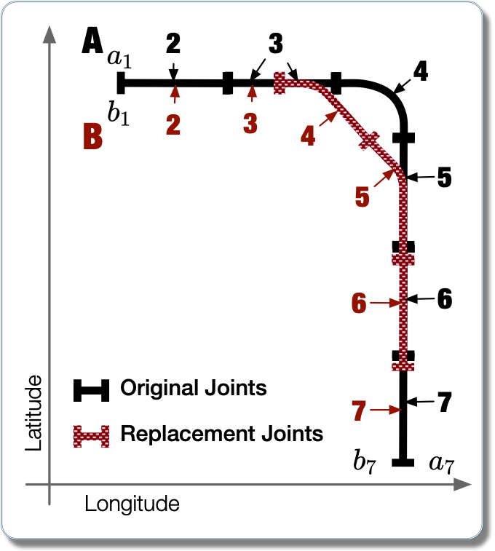

 | Drift
100 | 3
120 | 0
140 | -3
160 | 6
180 | 3
200 | 0
220 | -3
240 | -3
260 | -6
280 | -9

 | Residual (Δℓ) | max | min
B |  | -3.8 | -1.4
1 B | -3 | -3.8 | -1.4
2 B | -3 | -3.8 | -1.4
3 B | 9 | -3.8 | -1.4
4 B | -3 | -3.8 | -1.4
5 B | -3 | -3.8 | -1.4
6 B | -3 | -3.8 | -1.4
7 B | 0 | -3.8 | -1.4
8 B | -3 | -3.8 | -1.4
9 B | -3 | -3.8 | -1.4

